Cutlery and Utensil
ISAAC LORD CUTLERY AND UTENSIL ORDER FORM - please email completed form to sales@isaaclord.co.uk
Please provide a sketch for each cutlery / utensil insert

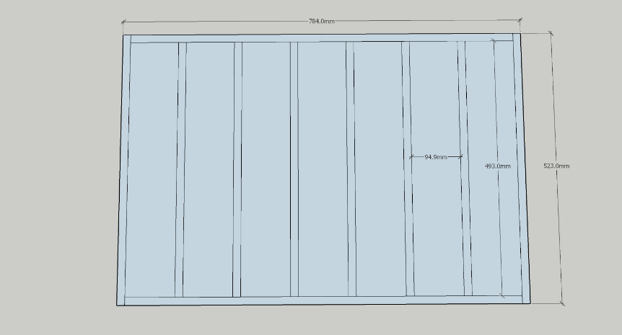
 | Enter actual drawer dimensions in these columns. |  |  | Do not leave any column blank
Qty | Drawer Width | Drawer Depth | Drawer Height | Material | Thickness | Finish | 6mm Drawer Base | Total Number of Front to Back Dividers | Total Number of Side to Side Dividers

 |  |  |  |  |  |  |  |  |  | Example image: this would be 8 front to back and 2 side to side dividers

